RAFTER17
Design of Built-up Welded (Compact/Non-Compact) Steel I sections

Section Dimensions |  | Flanges |  |  | Web |  |  |  | RAFTER17 |  | Hint:
 |  | tf= | 1.5 | cm | tw= | 2 | cm |  |  |  | 1st trial Sx=Mu/(.75*Fy)= |  | 2897.67
 |  | b= | 22 | cm | hw= | 50 | cm |  | Length (cm) | 400 | Section Properties
 |  |  |  |  |  |  |  |  | NO fly bracing |  | Ix | 64607.833333 | cm4
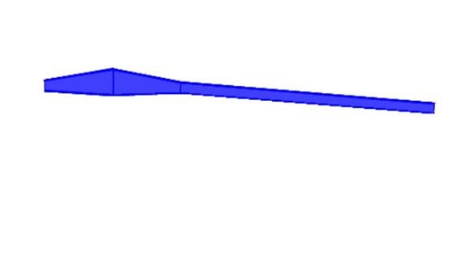
Material: |  |  |  | Geometry: |  |  |  |  |  |  | Iy | 2695.3333333 | cm4
H15
RAFTER-15
Steel Grade | St.37 |  |  | Lb= | 400 | cm |  |  |  |  | rx= | 19.73 | cm
 |  |  |  | Cb= | 1.300 |  |  |  |  |  | ry= | 4.03 | cm
Straining Actions: |  |  |  | Lbx= | 1201.5 | cm |  |  |  |  | A= | 166.00 | cm2
Mux= | 52.16 | t.m |  | Lby= | 400 | cm |  |  |  |  | Aw= | 106.00 | cm2
 |  |  |  | L= | 400 | cm |  |  |  |  | Sx= | 2438.03 | cm3
Qu= | 18.59 | t |  | Lh= | 400 | cm |  |  |  |  | Sy= | 245.03 | cm3
Nu= | 0.00 | t |  |  |  |  |  |  |  |  | Zx= | 2966.00 | cm3
Tu= | 17.9915 | t |  |  |  |  |  |  |  |  | Zy= | 413.00 | cm3
 |  |  |  |  |  |  |  |  |  |  | rt= | 5.19 | cm
Flexure
(1) Local Buckling |  | Compact Flange |  | Compact Web |  | Compact Section |  |  |  |  | Mateial Properties
 |  |  |  |  |  |  |  |  |  |  | Fy= | 2.4 | t/cm2
(2) LTB |  |  |  |  |  |  |  |  |  |  | Fu= | 3.7 | t/cm2
 |  |  |  |  |  |  |  |  |  |  | E= | 2100 | t/cm2
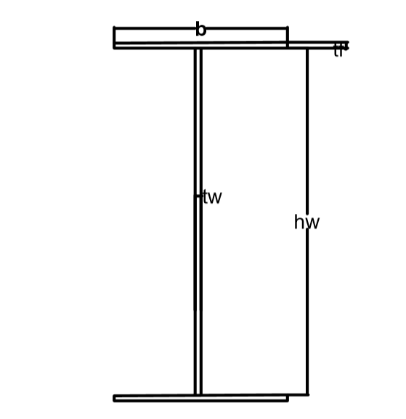
Lp= | 208.083 | cm
Lr= | 775.970 | cm |  | Case B

Mn= | 71.18 | t.m | ≤ | Mp= | 71.184 | t.m
Фb*Mn= | 60.51 | t.m | D/C= | 0.862 | Safe for flexure about major axis

Axial Compression
λx= | 60.903 | ≤ | 180 |  | OK
λy= | 99.268 | ≤ | 180 | OK
λc= | 1.0682
Fcr= | 1.3484 | t/cm2
Pn= | 223.83 | t
Фc*Pn= | 179.07 | t | D/C= | 0.000 | Safe for axial compression

Axial Tension
(1) Stiffnes condition
λ= | 99.268 |  | ≤ | 300 |  | OK
Lh/60= | 6.667 |  | ≤ | h |  | OK

(2) Strenght condition
Pn= | 398.40 | t
Фt*Pn= | 338.64 | t | D/C= | 0.053 | Safe for yielding at tension

Combined (Normal Force + Flexure) |  |  |  |  |  | Shear Force
M+C | D/C= | 0.862 | Safe for combined M+C |  |  | Vn= | 152.64 | t
M+T | D/C= | 0.889 | Safe for combined M+T |  |  | Фv*Vn= | 129.74 | t
 |  |  |  |  |  | D/C= | 0.143
 |  |  |  |  |  | Safe for Shear

Safe

 | fy | fu
St.37 | 2.4 | 3.7
St.44 | 2.8 | 4.4
St.52 | 3.6 | 5.2

